Sheet1
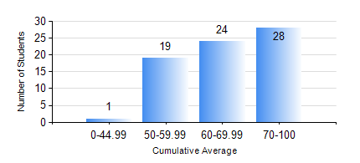
 |  |  | KWAME NKRUMAH UNIVERSITY OF SCIENCE AND TECHNOLOGY, KUMASI Department of Mechanical Engineering

 |  |  | BSC. AEROSPACE ENG., General Option

 |  |  | COMPREHENSIVE RECORD OF EXAMINATION RESULTS

 |  |  | RESULTS OF YEAR 2 SECOND SEMESTER, 2023/2024 ACADEMIC YEAR

 | Sn | Course Code |  | Course Name | Credit Hours | Min. Mark | Max. Mark | Avg. Mark | Std. Dev. | No. Passed | No. Trailed | No. (Df) | No. (I) | No. (I*) | No. Tagged(I,I*,Df) | Total
 | 0. |  |  |  |  |  |  | 0 | 0 | 0 | 0 | 0 | 0 | 0 | 0 | 6
 | 1. | AERO 256 |  | AEROSPACE STRUCTURES | 3 | 2 | 99 | 69 | 25.83 | 59 | 6 | 0 | 1 | 0 | 1 | 66
 | 2. | AERO 274 |  | AEROSPACE DESIGN PROJECT II | 2 | 41 | 78 | 59 | 8.89 | 65 | 0 | 0 | 1 | 0 | 1 | 66
 | 3. | ENGL 264 |  | LITERATURE IN ENGLISH II | 1 | 24 | 78 | 65 | 9.07 | 64 | 1 | 0 | 1 | 0 | 1 | 66
 | 4. | MATH 252 |  | CALCULUS WITH SEVERAL VARIABLES | 4 | 40 | 85 | 59 | 9.95 | 66 | 0 | 0 | 0 | 0 | 0 | 66
 | 5. | ME 258 |  | COMPUTER-AIDED DESIGN AND MODELLING | 3 | 60 | 87 | 78 | 7.72 | 65 | 0 | 0 | 1 | 0 | 1 | 66
 | 6. | ME 264 |  | MECHANISMS SYNTHESIS AND ANALYSIS I | 3 | 19 | 84 | 61 | 12.63 | 64 | 2 | 0 | 0 | 0 | 0 | 66
 | 7. | ME 266 |  | THERMODYNAMICS I | 2 | 11 | 85 | 53 | 15.63 | 54 | 11 | 0 | 1 | 0 | 1 | 66

